Calculation
Calculation tool for defining Flight Geography, Contingency Volume and Ground Risk Buffer
 |  |  |  |  |  |  |  |  |  |  | Version: | 1.6
Details of drone used and intended operation |  |  |  |  |  |  |  |  |  |  | based on equations of Guidance on Defining Flight Geography, Contingency Volume and
 |  |  | Type |  | multirotor |  |  |  |  |  | Ground Risk Buffer in revision 1.4 (01.02.2023)
 |  |  |  |  | multirotor
 |  | Maximum operational speed | V0 | = | 10 | m/s |  |  |  |  | Information about the applicant:
 |  | Maximum UAS characteristic dimension | CD | = | 1.5 | m
 |  | Altitude measurement error |  |  |  |  |  |  |  |  | Name:
 |  | - GPS-based | Hbaro | = | 4 | m | own value: | m |  |  | e-ID:
 |  | GPS – inaccuracy | SGPS | = | 3 | m | own value: | m |  |  | Date: | 2023-03-21
 |  | Position holding error | SPos | = | 3 | m | own value: | m
 |  | Map error | SK | = | 1 | m | own value: | m |  |  | Exemplary representation of flight geography, contingency volume and ground risk buffer:
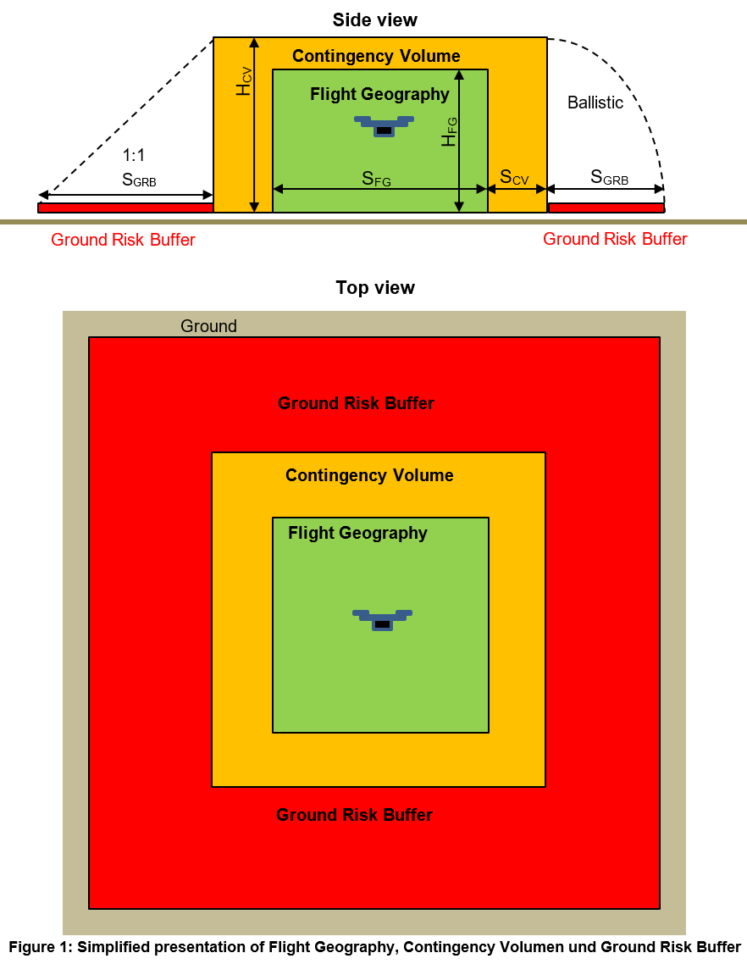
 |  | Response time of remote pilot / automatic | t | = | 1 | s

6.2 Minimum dimension of flight geography (FG)
m
m
 |  | Height flight geography | HFG | = |  | m
 |  | Minimum height of particularly small FG | HFG | ≥ | 4.5 | m
 |  | Minimum width of particularly small FG | SFG | ≥ | 4.5 | m

6.3 Calculation of contingency volume (CV)

 | Lateral
 |  | Contingency manoeuvre: |  |  |  |  |  | 0
 |  |  |  |  | 30
 |  |  |  |  | 2
 |  | Reaction distance | SRZ | = | 10 | m
 |  | Distance for Contingency manoeuvre | SCM | = |  | m
m
 |  | Minimum lateral dimension of CV | SCV | ≥ |  | m (Tip: Add a reasonable safety buffer in the kml)

m
 | Vertical
 |  | Response height | HRZ | = | 7.0 | m | own value: | m

 |  | Contingency manoeuvre: |  |  |  |  |  | 0 | 5.0968399592 | 3.0581039755
 |  |  |  |  | 2 |  | 2 |  | 14 | 14
 |  |  | HCM | = |  | m

 |  | Minimum vertical dimension of CV | HCV | = |  | m

6.4 Calculation of ground risk buffer (GRB)

 |  | Method of termination: |  |  |  |  |  | 1

 |  | Glide angle | 𝜀 | = | 0.05
 |  | Time to open the parachute | t | = | 2 | s
 |  | Maximum permissible wind speed for operation | vWind | = | 3 | m/s
 |  | Rate of descent with the parachute open | vZ | = | 2 | m/s

 |  | Minimum lateral dimension of GRB | SGRB | ≥ |  | m (Tip: Add a reasonable safety buffer in the kml)

7 Calculation of maximum possible VLOS distance
 |  | Attitude Line of Sight | ALOSmax | = | 510.5 | m

 |  | Ground Visibility (GVmax = 5000 m) | GV | = | 5000 | m | own value: | m
 |  | Detection Line of Sight | DLOSmax | = | 1500 | m

 |  | maximum possible VLOS distance | VLOSmax | = | 510.5 | m

